Instructions
Basic Instructions
Important!!
1) Complete all fields for the class details and student records.
2) For the KT's name and the students' Korean names, please enter these using Korean. If you cannot type in Korean, a button is present
which will open a webpage where you can easily type their names and copy into this file.
3) For students without an English name, you can simply type their Korean name with English letters.
4) There cannot have any blank rows or cells before the final student. The first empty English Name cell is considered as the end of the list.
5) Most cells have data validation. To help, a message box will appear when you click in one of these cells.
6) If you enter an invalid value, it will either be auto-corrected or a message will appear to explain the problem.
a) If a problem is detected, some cells will change color. Yellow indicates a potential error, but a possibly valid entry. Red means
the value is either invalid or too long for the report template. Please read the popup's message carefully to know what exactly
the problem is.
b) For Level, Class Days, and (Class 1) Time, you can click on the down arrow that appears and select an option from the list.
c) For scores, you can either enter a letter grade or number (1 = C, 2 = B, etc.). Numbers and lowercase letters will automatically be
converted to valid grades.
7) You are free to copy, duplicate, rename, and/or delete class sheets. Just be careful not to delete all of them.
8) Excel doesn't check spelling or grammar, so it is highly recommened to generate proofs. This will generate .pptx files you can proofread
in PowerPoint.
9) After checking the proofs, you can click the Generate Reports button. This will create .pdf versions and add them to a zip file. You can
simply send this zip file to your KT.
10) You may see a few dialog boxes appear with important information; please read them carefully.
11) MacOS users, please carefully read the MacOS Users sheet for important additional information.
You are STRONGLY recommended to SAVE and QUIT any work you are currently doing in PowerPoint. While this program is designed to only modify this file and "SpeakingEvaluationTemplate.pptx", there is always the chance of unexpected behaviour.

Important Files

Fonts:
These will be automatically checked for and silently installed if needed.
Report Template:
This will be automatically downloaded, verified, and saved in the Resources folder. If an error is detected, a fresh copy will be automatically downloaded. If you encounter any errors, you can download the template manually and save it in the Resources folder in the same location as this Excel file.
mySignature.png:
Use this as the template for creating a copy of your signature in the generated reports. For more information, read the instructions on the Options tab.
SpeakingEvals.scpt:
This file is required for MacOS. Without it, it's not possible to automatically generate the reports on a MacOS computer. You can still enter student records without installing it, but you will be unable to generate any reports or certificates by yourself. For installation instructions, please see the "MacOS Users" tab.

Downloads & Seeing the Code
The code embedded in this Excel file is password-protected in order to avoid any accidental changes. However, you are more than welcome to see the code in case you are curious. I have also included some comments (admittedly, these are in a poor state due to major retooling of the code to improve performance and add new features) in order to help those unfamiliar with programming to understand what is happening and why.
Click on one of the buttons below to either download the file or visit the website:

View:
Source Code
Download:
mySignature Template
Download:
Report Template
Download:
Latest Spreadsheet
Download:
Required Fonts

Planned Improvements & Bug Reporting
Version: 2.9.0
General Planned Improvements:
- Further code optimizations; hidden sheets in case of accidental deletion; standardize where to download scripts from in the GitHub repo; update cert previews with new font
- Improve custom dialog windows on MacOS (icons, dialog types, etc.)
- Add a version checks (spreadsheet & DialogDisplay.scpt) and autoupdate for DialogDisplay.scpt
- Optimize opening PowerPoint on MacOS (try loading only one window instead of the current two)
- Add support for toggling valid data entry tips
Known Bugs:
-
Reporting Bugs: (Feature requests also welcome.)
If you discover what you suspect to be a bug, I am happy to try to fix it. To make reproducing the error easier, please write a message (a Word or txt file) letting me know what you were doing before encountering the problem. Then, add both that file and your current copy of this spreadsheet into a zip file. You can either ask your team leader to send it to me via Kakao Talk, or you can email it to me at dyb.warrenfeltmate@gmail.com.
Please also include the following details:
- OS & Version (e.g. Windows 11 or MacOS 14.7.3)
- MS Office version (e.g. Microsoft 365 or Office 2016)
- Do you use cloud storage (e.g. OneDrive, iCloud, Google Drive)? If so, which?
- Where did you save this file? (Please send the complete path.)
- Was the Resources folder successfully created? If so, what files are present in it?
- What button did you click, if any?
- What error message, if any, was displayed?
- Did you install SpeakingEvals.scpt (MacOS only)?
- Do you have 7zip installed, or do you use the built-in zip program (i.e. zip files just work)?
- Can you type in Korean on your keyboard?

MacOS Users
Enhanced Dialogs: Enabled
MacOS Users
SpeakingEvals.scpt Installation:
1) Open a Terminal window. Either press Command(⌘) + Spacebar to open
Spotlight and search by typing "Terminal", or you can press Command(⌘)
+ Shift + U to open the Utilities folder.
2) Then, copy and paste ALL of the following command into the terminal window.
File & Folder Permission Requests:
1) You will see a bunch of these. It's due to Apple's security policies, and you've probably seen other apps make such requests before.
2) Many only appear the first time you generate a set of reports, while others only the first time for a specific class. After you grant access to a file or folder, you'll typically
not be asked for permission to that file/folder again.
3) Unfortunately, Apple has made it so permissions can only be requested one at a time, so you may see a handful or requests in a row.
4) Simply click on 'Select' and then 'Grant Access'. Do NOT change names or locations or errors will occur.
5) If you see the PowerPoint icon bouncing in the dock, click on in. PowerPoint is likely requesting permission or access to a file or folder it needs.
System Events Requests:
These occur when Excel needs to run a command to create or delete file, to open/close Word, to download a valid of the SpeakingEvaluationTemplate.pptx, and when doing other background tasks. You can simply click on allow and the reports will continue to be generated.
Password Request by Osascript:
This will happen only once. For some users, the default MacOS popup messages have rather small font and are hard to read. To solve this, I added in a feature to display messages in a much easier to read dialog box. To enable this, however, a folder needs to be created in the ~/Library folder, and to do this, you will be asked to enter your password. This is the only time you will be asked for your password, and as long as the folder exists, you will never be asked again.
AppleScript File Requirements and Enhanced Dialogs Toggle:
1) The following buttons will display if the required files are found and properly installed.
2) If SpeakingEvals.scpt is missing, please run the above curl command in the terminal. You can then optionally close and reopen this Excel file to verify if it is then properly
detected.
3) If Dialog Toolkit Plus is missing, then (after SpeakingEvals.scpt has been installed) click on the red Enhanced Dialogs Disabled button. This will begin the process to install
it (also requiring the step requesting your password). After installing Dialog Toolkit Plus, you can enable or disable these enhanced dialogs by clicking the red/green
Enhanced Dialogs button. As a note, if the required folder in the ~/Library folder is not found when creating the reports, you will be asked for your password.
curl -L -o ~/Library/Application\ Scripts/com.microsoft.Excel/SpeakingEvals.scpt https://github.com/papercutter0324/SpeakingEvals/raw/main/AppleScript/SpeakingEvals.scpt
Enhanced Dialogs
Enabled
Dialog Toolkit Plus
Installed
SpeakingEvals.scpt
Installed

Options
Creating Your Signature
Signature
Advanced
Creating Your Signature:
1) Open the file 'mySignature.png' on a tablet, smartphone, or other touchscreen device.
2) Sign your signature (ideally using a stylus) as you normally would, filling as much as the
white space as you can. Try to avoid touching the edges when signing so that it doesn't
appear as though your signature has been cropped.
3) Save the image as 'mySignature.png' and put it in the same folder as this Excel file.
Note: If creating your signature from a new file, use a white background and set the pixel dimensions
to 819x204. These will provide a high-quality look to the signature and avoid a quirk that adds a
border/shadow around the image when inserted into the reports.
Embedding Your Signature in This File: (Recommended)
1) Right-click on the white rectangle in the 'Signature' box. Choose 'Change Picture' and then 'This Device...'.
In the window that appears, select mySignature.png image you created. If it worked right, you should now
see your signature.
2) Click on the grey "Signature Missing" button, and it should turn green and display "Signature Embedded".
3) Finally, put your 'mySignature.png' somewhere to keep it safe in case you update this spreadsheet.
Signature Missing
Display pop-up tips when entering class information. |  | Yes
Open folder containing generated files when finished. |  | Yes
Enable DEBUG messages and logging. |  | No
Disable SAVE ERROR and POWERPOINT CLOSING DELAY warnings. |  | No
Fonts are installed and verified. |  | Yes
cURL support detected. |  | Yes
7zip support enabled. |  | No
Winner Certificates
Using the options on the right, you can customize the design and appearance of the winner certificates, and any changes you make will be immediately reflected
in the preview. The certificates will be saved as .pdf files in a separate subfolder
in each class's folder.
Presently, there is only support for a landscape layout and default design, but support for more can easily be added, and suggestions and/or submissions are more than welcome.
If printing to a nice paper stock that already has a border on it, you should choose disabled for the border option. If printing to blank paper or simply providing the .pdf files, there are presently two options for border styles, each with a default border color. You can also choose to set a custom color, using an RGB hexcode.
Note: The final dimensions of the generated certificates will be slightly different from what is displayed in the preview.
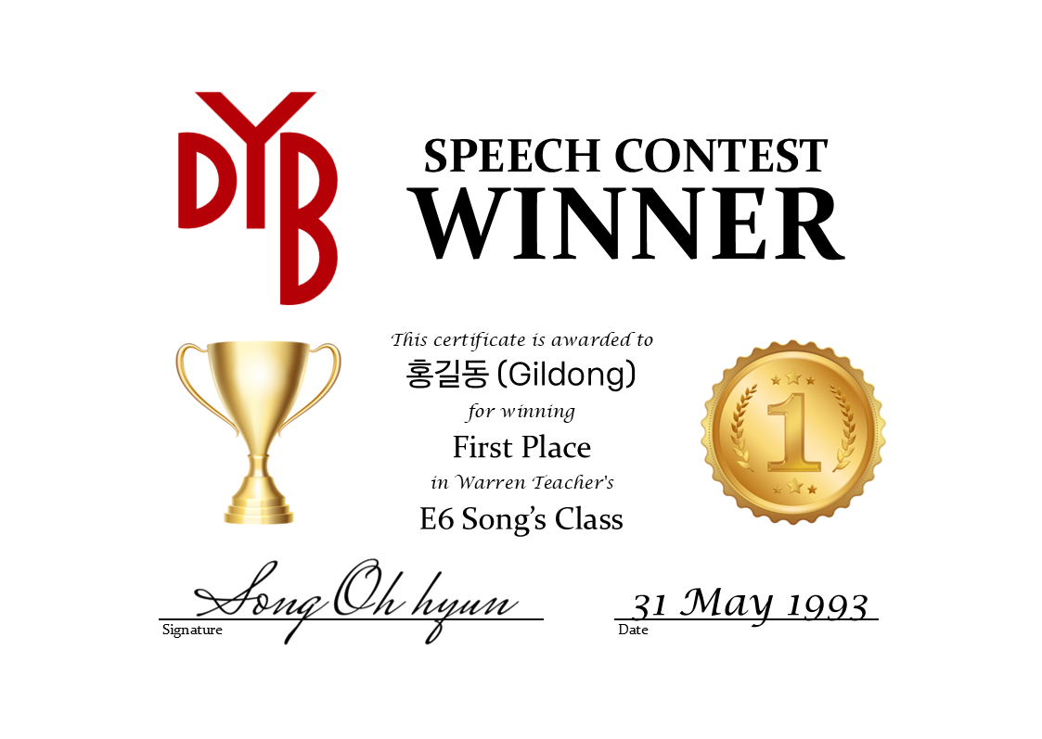

Options & Preview
 | Type: | Speech Contest
 | Layout: | Landscape
 | Design: | Default
 | Border: | Style 1
 | Border Color: | Metalic Gold
 | Color Code: | #D4AF37

MonWed
Generate Reports
Generate Proofs
Generate Certificates
Auto-Select Winners
Native Teacher: |  |  | S/V Agreement Verb Tenses Pronouns Prepositions Articles Plurals Correct Vocab. Use Sentence structure | Use of Konglish Clarity / Mumbling Difficult Vocabulary | Flow Varying Intonation Speaking Pace Pauses | Volume Eye contact Energy Tone / Emotion Posture Body Language Gestures | Details Reasons Examples Organization Logic / Relevance Level of Vocab. | General Effort Prepared Memorization Visual Aids |  | Class Winners
Korean Teacher: |  |  |  |  |  |  |  |  |  | First Place:
Level: |  |  |  |  |  |  |  |  |  | Second Place:
Class Days: |  |  |  |  |  |  |  |  |  | Third Place:
Repair Layout
Korean Typing Site
(Class 1) Time:
Evaluation Date:
# | English Name | Korean Name | Grammar | Pronunciation | Fluency | Manner | Content | Overall Effort | Comments (Positive - Negative - Positive) | Notes
1
2
3
4
5
6
7
8
9
10
11
12
13
14
15
16
17
18
19
20
21
22
23
24
25

MonFri
Generate Reports
Generate Proofs
Generate Certificates
Auto-Select Winners
Native Teacher: |  |  | S/V Agreement Verb Tenses Pronouns Prepositions Articles Plurals Correct Vocab. Use Sentence structure | Use of Konglish Clarity / Mumbling Difficult Vocabulary | Flow Varying Intonation Speaking Pace Pauses | Volume Eye contact Energy Tone / Emotion Posture Body Language Gestures | Details Reasons Examples Organization Logic / Relevance Level of Vocab. | General Effort Prepared Memorization Visual Aids |  | Class Winners
Korean Teacher: |  |  |  |  |  |  |  |  |  | First Place:
Level: |  |  |  |  |  |  |  |  |  | Second Place:
Class Days: |  |  |  |  |  |  |  |  |  | Third Place:
Repair Layout
Korean Typing Site
(Class 1) Time:
Evaluation Date:
# | English Name | Korean Name | Grammar | Pronunciation | Fluency | Manner | Content | Overall Effort | Comments (Positive - Negative - Positive) | Notes
1
2
3
4
5
6
7
8
9
10
11
12
13
14
15
16
17
18
19
20
21
22
23
24
25

WedFri
Generate Reports
Generate Proofs
Generate Certificates
Auto-Select Winners
Native Teacher: |  |  | S/V Agreement Verb Tenses Pronouns Prepositions Articles Plurals Correct Vocab. Use Sentence structure | Use of Konglish Clarity / Mumbling Difficult Vocabulary | Flow Varying Intonation Speaking Pace Pauses | Volume Eye contact Energy Tone / Emotion Posture Body Language Gestures | Details Reasons Examples Organization Logic / Relevance Level of Vocab. | General Effort Prepared Memorization Visual Aids |  | Class Winners
Korean Teacher: |  |  |  |  |  |  |  |  |  | First Place:
Level: |  |  |  |  |  |  |  |  |  | Second Place:
Class Days: |  |  |  |  |  |  |  |  |  | Third Place:
Repair Layout
Korean Typing Site
(Class 1) Time:
Evaluation Date:
# | English Name | Korean Name | Grammar | Pronunciation | Fluency | Manner | Content | Overall Effort | Comments (Positive - Negative - Positive) | Notes
1
2
3
4
5
6
7
8
9
10
11
12
13
14
15
16
17
18
19
20
21
22
23
24
25

TTh 1
Generate Reports
Generate Proofs
Generate Certificates
Auto-Select Winners
Native Teacher: |  |  | S/V Agreement Verb Tenses Pronouns Prepositions Articles Plurals Correct Vocab. Use Sentence structure | Use of Konglish Clarity / Mumbling Difficult Vocabulary | Flow Varying Intonation Speaking Pace Pauses | Volume Eye contact Energy Tone / Emotion Posture Body Language Gestures | Details Reasons Examples Organization Logic / Relevance Level of Vocab. | General Effort Prepared Memorization Visual Aids |  | Class Winners
Korean Teacher: |  |  |  |  |  |  |  |  |  | First Place:
Level: |  |  |  |  |  |  |  |  |  | Second Place:
Class Days: |  |  |  |  |  |  |  |  |  | Third Place:
Repair Layout
Korean Typing Site
(Class 1) Time:
Evaluation Date:
# | English Name | Korean Name | Grammar | Pronunciation | Fluency | Manner | Content | Overall Effort | Comments (Positive - Negative - Positive) | Notes
1
2
3
4
5
6
7
8
9
10
11
12
13
14
15
16
17
18
19
20
21
22
23
24
25

TTh 2
Generate Reports
Generate Proofs
Generate Certificates
Auto-Select Winners
Native Teacher: |  |  | S/V Agreement Verb Tenses Pronouns Prepositions Articles Plurals Correct Vocab. Use Sentence structure | Use of Konglish Clarity / Mumbling Difficult Vocabulary | Flow Varying Intonation Speaking Pace Pauses | Volume Eye contact Energy Tone / Emotion Posture Body Language Gestures | Details Reasons Examples Organization Logic / Relevance Level of Vocab. | General Effort Prepared Memorization Visual Aids |  | Class Winners
Korean Teacher: |  |  |  |  |  |  |  |  |  | First Place:
Level: |  |  |  |  |  |  |  |  |  | Second Place:
Class Days: |  |  |  |  |  |  |  |  |  | Third Place:
Repair Layout
Korean Typing Site
(Class 1) Time:
Evaluation Date:
# | English Name | Korean Name | Grammar | Pronunciation | Fluency | Manner | Content | Overall Effort | Comments (Positive - Negative - Positive) | Notes
1
2
3
4
5
6
7
8
9
10
11
12
13
14
15
16
17
18
19
20
21
22
23
24
25

TTh 3
Generate Reports
Generate Proofs
Generate Certificates
Auto-Select Winners
Native Teacher: |  |  | S/V Agreement Verb Tenses Pronouns Prepositions Articles Plurals Correct Vocab. Use Sentence structure | Use of Konglish Clarity / Mumbling Difficult Vocabulary | Flow Varying Intonation Speaking Pace Pauses | Volume Eye contact Energy Tone / Emotion Posture Body Language Gestures | Details Reasons Examples Organization Logic / Relevance Level of Vocab. | General Effort Prepared Memorization Visual Aids |  | Class Winners
Korean Teacher: |  |  |  |  |  |  |  |  |  | First Place:
Level: |  |  |  |  |  |  |  |  |  | Second Place:
Class Days: |  |  |  |  |  |  |  |  |  | Third Place:
Repair Layout
Korean Typing Site
(Class 1) Time:
Evaluation Date:
# | English Name | Korean Name | Grammar | Pronunciation | Fluency | Manner | Content | Overall Effort | Comments (Positive - Negative - Positive) | Notes
1
2
3
4
5
6
7
8
9
10
11
12
13
14
15
16
17
18
19
20
21
22
23
24
25

